Read me
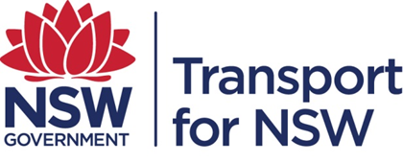
TPA Request No.
Client
Date Provided | 2016-10-20
DataSet | 1. Train – ticket sales 2. Bus – driver count and on-board ticket sales 3. Ferry – ticket validation 4. Light Rail – Transdev patronage reporting
Dataset Owner | 1. Train – TfNSW 2. Bus – TfNSW 3. Ferry – HCF 4. Light Rail – Transdev
Count of | Patronage
Reference Year/Date | Jul-16
Geographic Scope | Sydney transport network
Caution
Disclaimer | While all care is taken in producing this work, no responsibility is taken or warranty made with respect to the accuracy of any information, data or representation. The authors (including copyright owners) expressly disclaim all liability in respect of anything done or omitted to be done and the consequences upon reliance of the contents of this information.
© 2016 Crown Copyright. | Transport Performance and Analytics owns copyright in other material incorporated in this Product. Except as permitted under this act no part covered by copyright may be reproduced or copied by any process or any means, electronically or otherwise without written permission of the copyright owner.

